Sheet1
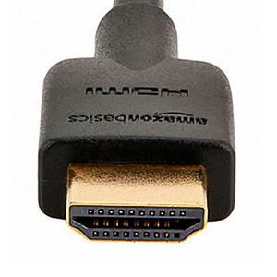

C77195

HDMI Male to HDMI Male Braided Cable

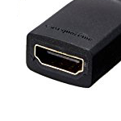

Length: 3 ft | $9.95

HDMI | C77195

HDMI Male to HDMI Male 3 ft. Braided Cable

 |  | $9.95

